COVER
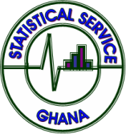
 |  | GHANA STATISTICAL SERVICE
 |  | Statistics for Development and Progress

Monthly Indicator of Economic Growth (MIEG)
January 2023 - September 2025

 | December 2025 EDITION
 | Release date: 10th December 2025

Ghana Statistical Service (GSS)
P.O. Box GP 1098, Accra
www. statsghana.gov.gh

